Datailed Inquiry Information
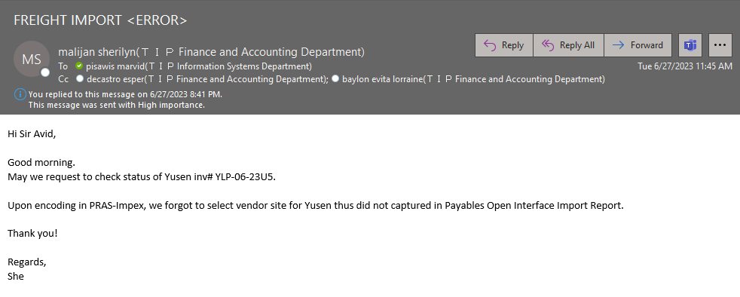
Detailed Inquiry Information

Detailed Investigation Result
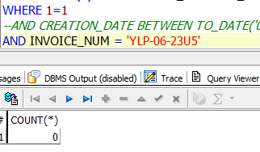
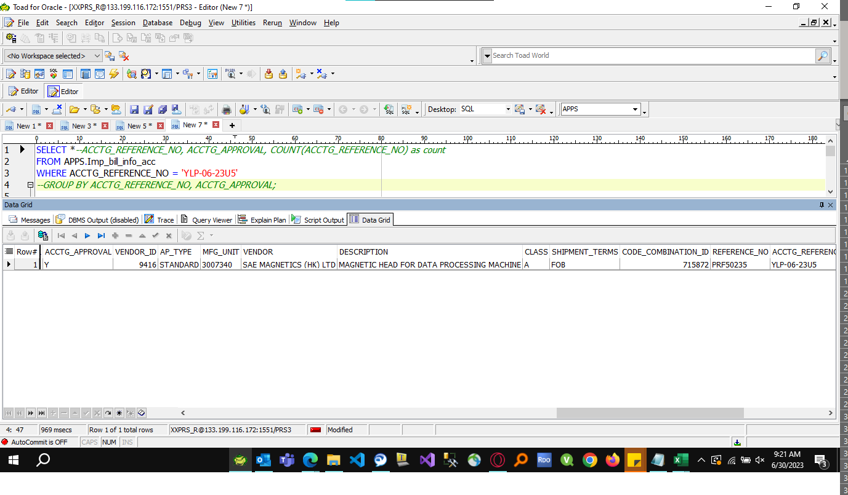
Detailed Investigation Result

 | Table : AP_INVOICES_INTERFACE

Actual Operation Evidence
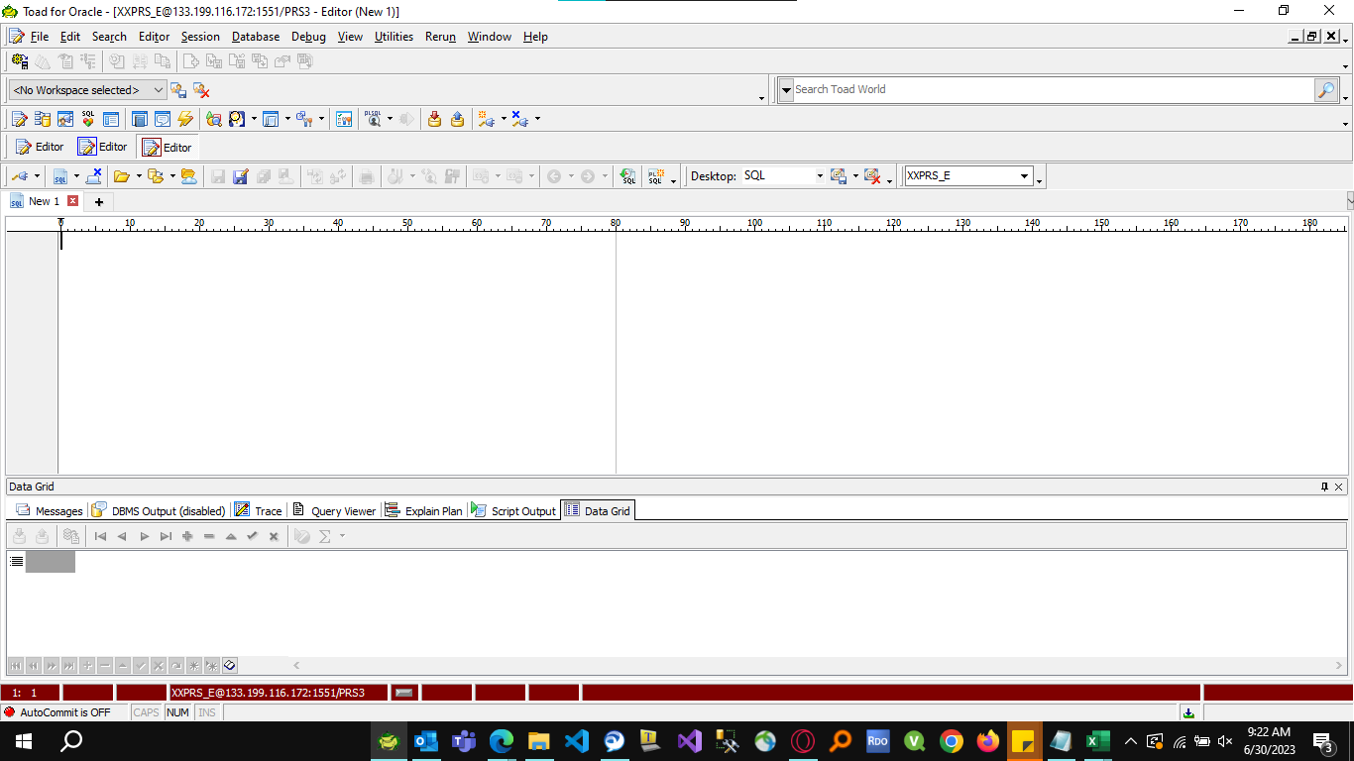
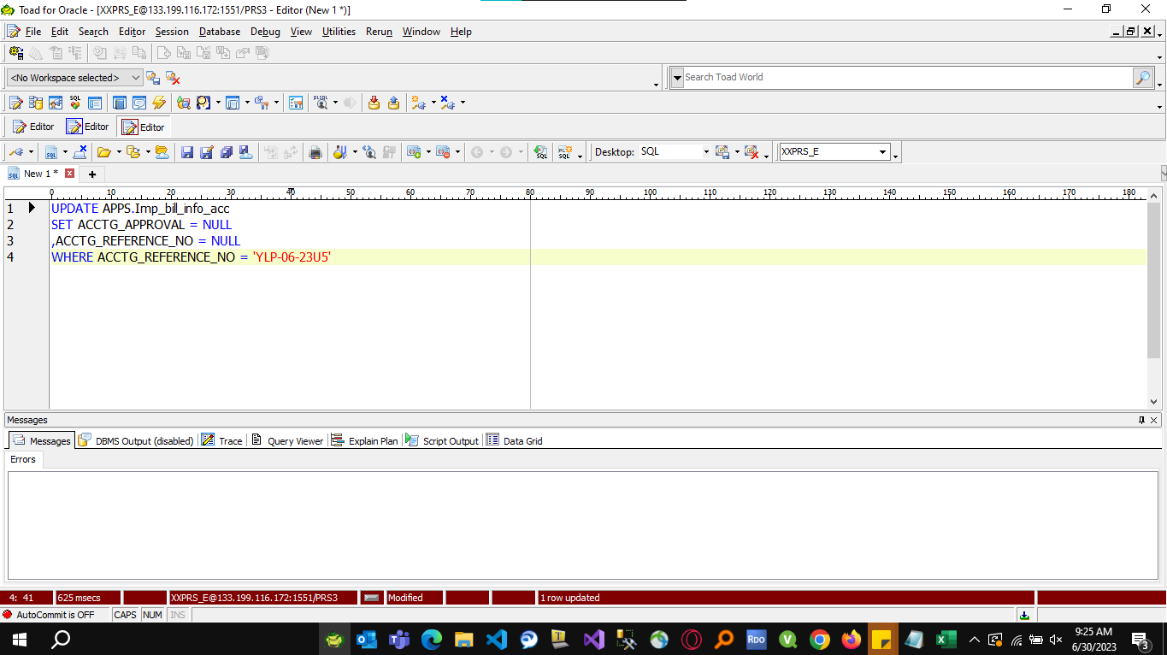

Actual Operation Evidence

